Sheet1
 | Prefix Lengh |  |  |  |  |  |  |  | S/M | Octet
 | 1 | 2 | 3 | 4 | 5 | 6 | 7 | 8 | x.x.x.x | 1st
 | 9 | 10 | 11 | 12 | 13 | 14 | 15 | 16 | 255.x.x.x | 2nd
 | 17 | 18 | 19 | 20 | 21 | 22 | 23 | 24 | 255.255.x.x | 3rd
 | 25 | 26 | 27 | 28 | 29 | 30 | 31 | 32 | 255.255.255.x | 4th
 | 128 | 64 | 32 | 16 | 8 | 4 | 2 | 1
S/M | 128 | 192 | 224 | 240 | 248 | 252 | 254 | 255

FLSM
1. 192.168.0.0/24 = 6 networks |  |  |  |  |  |  | 2. 172.16.0.0/24 = 10 networks |  |  |  | 3. 10.0.0.0/8 = 30 networks |  |  |  | 4. 10.0.0.0/8 = 1000 networks
2^n |  |  |  |  |  |  | 2^n |  |  |  | 2^n |  |  |  | 2^n
2^3 = 8 |  |  |  |  |  |  | 2^4 = 16 |  |  |  | 2^5 = 32 |  |  |  | 2^10 = 1024
192.168.0.0/27 |  |  |  |  |  |  | 172.16.0.0/28 |  |  |  | 10.0.0.0/13 |  |  |  | 10.0.0.0/18
255.255.255.224 |  |  |  |  |  |  | 255.255.255.240 |  |  |  | 255.248.0.0 |  |  |  | 255.255.192.0
1st | 192.168.0.0/27 |  |  |  |  |  | 1 | 172.16.0.0/28 |  |  | 1 | 10.0.0.0/13 |  |  | 1 | 10.0.0.0/18
2nd | 192.168.0.32/27 |  |  |  |  |  | 2 | 172.16.0.16/28 |  |  | 2 | 10.8.0.0/13 |  |  | 2 | 10.0.64.0/18
3rd | 192.168.0.64/27 |  |  |  |  |  | 3 | 172.16.0.32/28 |  |  | 3 | 10.16.0.0/13 |  |  | 3 | 10.0.128.0/18
4th | 192.168.0.96/27 |  |  |  |  |  | 4 | 172.16.0.48/28 |  |  | 4 | 10.24.0.0/13 |  |  | 4 | 10.0.192.0/18
5th | 192.168.0.128/27 |  |  |  |  |  | 5 | 172.16.0.64/28 |  |  | 5 | 10.32.0.0/13 |  |  | 5 | 10.1.0.0/18
6th | 192.168.0.160/27 |  |  |  |  |  | 6 | 172.16.0.80/28 |  |  | 6 | 10.40.0.0/13 |  |  | 6 | 10.1.64.0/18
7th | 192.168.0.192/27 |  |  |  |  |  | 7 | 172.16.0.96/28 |  |  | 7 |  |  |  | 7 | 10.1.128.0/18
8th | 192.168.0.224/27 |  |  |  |  |  | 8 | 172.16.0.112/28 |  |  | 8 |  |  |  | 8 | 10.1.192.0/18
 |  |  |  |  |  |  | 9 | 172.16.0.128/28 |  |  | 9 |  |  |  | 9 | 10.2.0.0/18
 |  |  |  |  |  |  | 10 | 172.16.0.144/28 |  |  | 10 |  |  |  | 10 | 10.2.64.0/18
 |  |  |  |  |  |  | 16 | 172.16.0.240/28 |  |  | 11
 |  |  |  |  |  |  |  |  |  |  | 12
 |  |  |  |  |  |  |  |  |  |  | 13
 |  |  |  |  |  |  |  |  |  |  | 14
 |  |  |  |  |  |  |  |  |  |  | 15
 |  |  |  |  |  |  |  |  |  |  | 32 | 10.248.0.0/13

VLSM
1. 172.16.0.0/16 = 50 hosts |  |  |  |  |  |  | 2. 172.16.0.0/16 = 500 hosts |  |  |  |  |  | 3. 10.0.0.0/8 = 2000 hosts
(2^n)-2 |  |  |  |  |  |  | (2^n)-2 |  |  |  |  |  | (2^n)-2
(2^6) = 64-2 = 62 |  |  |  |  |  |  | (2^9) = 512-2 = 510 |  |  |  |  |  | (2^11) = 2048-2 = 2046
172.16.0.0/26 |  |  |  |  |  |  | 172.16.0.0/23 |  |  |  |  |  | 10.0.0.0/21
255.255.255.192 |  |  |  |  |  |  | 255.255.254.0 |  |  |  |  |  | 255.255.248.0
1st | 172.16.0.0/26 |  |  | NA |  |  | 1st | 172.16.0.0/23 |  | NA |  |  | 1st | 10.0.0.0/21 |  | NA
 | 172.16.0.1 |  |  | 1st valid IP |  |  |  | 172.16.0.1 |  | 1st valid IP |  |  |  | 10.0.0.1 |  | 1st
 | 172.16.0.62 |  |  | last valid IP |  |  |  | 172.16.1.254 |  | last valid IP |  |  |  | 10.0.7.254 |  | last
 | 172.16.0.63 |  |  | BA |  |  |  | 172.16.1.255 |  | BA |  |  |  | 10.0.7.255 |  | BA
 |  |  |  |  |  |  | 2nd | 172.16.2.0/23 |  |  |  |  | 2nd | 10.0.8.0/21 |  | NA
 |  |  |  |  |  |  |  | 172.16.2.1 |  | 1st valid
 |  |  |  |  |  |  |  | 172.16.3.254 |  | last
 |  |  |  |  |  |  |  | 172.16.3.255 |  | BA
 |  |  |  |  |  |  | 3rd | 172.16.4.0/23 |  |  |  |  | Last | 10.255.248.0/21 |  | NA
 |  |  |  |  |  |  |  | 172.16.4.1 |  | 1st valid |  |  |  | 10.255.248.1 |  | 1st
 |  |  |  |  |  |  |  | 172.16.5.254 |  | last |  |  |  | 10.255.255.254 |  | last
 |  |  |  |  |  |  |  | 172.16.5.255 |  | BA |  |  |  | 10.255.255.255 |  | BA
 |  |  |  |  |  |  | 4th | 172.16.6.0/23

 |  |  |  |  |  |  |  |  | Given Network: | 172.16.0.0/16
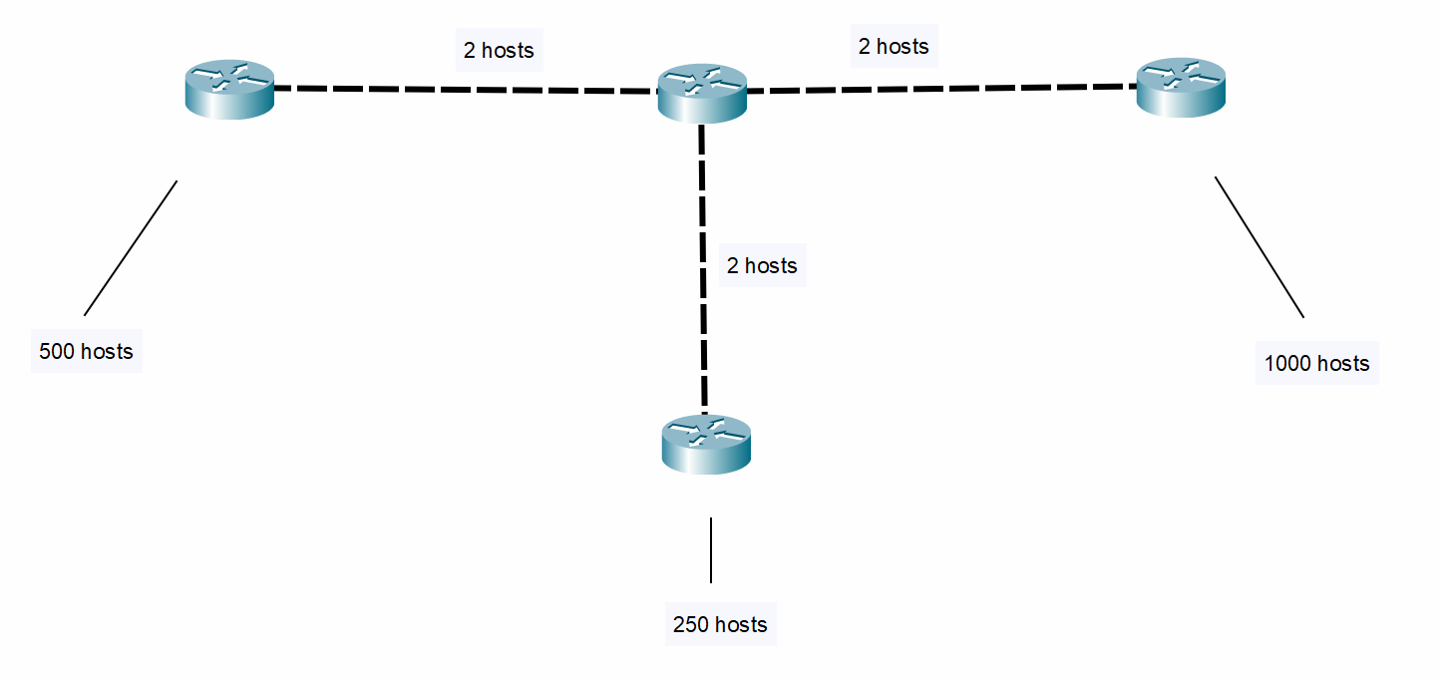
 |  |  |  |  |  |  |  |  |  | 1. 1000 hosts |  |  |  |  | 2. 500 hosts
 |  |  |  |  |  |  |  |  |  | (2^n)-2 |  |  |  |  | (2^n)-2
 |  |  |  |  |  |  |  |  |  | (2^10) = 1024-2 = 1022 |  |  |  |  | (2^9) = 512-2 = 510
 |  |  |  |  |  |  |  |  |  | 172.16.0.0/22 |  |  |  |  | 172.16.4.0/23
 |  |  |  |  |  |  |  |  |  | 255.255.252.0 |  |  |  |  | 255.255.254.0
 |  |  |  |  |  |  |  |  |  | 1st | 172.16.0.0/22 |  |  | NA | 1st | 172.16.4.0/23 | NA
 |  |  |  |  |  |  |  |  |  |  | 172.16.0.1 |  |  | 1st |  | 172.16.4.1 | 1st
 |  |  |  |  |  |  |  |  |  |  | 172.16.3.254 |  |  | last |  | 172.16.5.254 | last
 |  |  |  |  |  |  |  |  |  |  | 172.16.3.255 |  |  | BA |  | 172.16.5.255 | BA
 |  |  |  |  |  |  |  |  |  | 2nd | 172.16.4.0/22 |  |  |  | 2nd | 172.16.6.0/23

 |  |  |  |  |  |  |  |  |  | 3. 250 hosts |  |  |  |  | 4. 2 hosts
 | 1000 |  |  |  |  |  |  |  |  | (2^n)-2 |  |  |  |  | (2^n)-2
 | 500 |  |  |  |  |  |  |  |  | (2^8) = 256-2 = 254 |  |  |  |  | (2^2) = 4-2 = 2
 | 250 |  |  |  |  |  |  |  |  | 172.16.6.0/24 |  |  |  |  | 172.16.7.0/30
 | 2 |  |  |  |  |  |  |  |  | 255.255.255.0 |  |  |  |  | 255.255.255.252
 | 2 |  |  |  |  |  |  |  |  | 1st | 172.16.6.0/24 |  |  | NA | 1st | 172.16.7.0/30
 | 2 |  |  |  |  |  |  |  |  |  | 172.16.6.1 |  |  | 1st |  | 172.16.7.1
 |  |  |  |  |  |  |  |  |  |  | 172.16.6.254 |  |  | last |  | 172.16.7.2
 |  |  |  |  |  |  |  |  |  |  | 172.16.6.255 |  |  | BA |  | 172.16.7.3
 |  |  |  |  |  |  |  |  |  | 2nd | 172.16.7.0/24 |  |  |  | 2nd | 172.16.7.4/30
 |  |  |  |  |  |  |  |  |  |  |  |  |  |  | 3rd | 172.16.7.8/30

